Count per Category
country | (All)
 | canceled | failed | live | successful
film & video | 40 | 180 |  | 300
food | 20 | 140 | 6 | 34
games |  | 140 |  | 80
journalism | 24
music | 20 | 120 | 20 | 540
photography |  | 117 |  | 103
publishing | 30 | 127 |  | 80
technology | 178 | 213 |  | 209
theater | 37 | 493 | 24 | 839
Count of state | Column Labels
Row Labels | canceled | failed | live | successful | Grand Total
film & video | 40 | 180 |  | 300 | 520
food | 20 | 140 | 6 | 34 | 200
games |  | 140 |  | 80 | 220
journalism | 24 |  |  |  | 24
music | 20 | 120 | 20 | 540 | 700
photography |  | 117 |  | 103 | 220
publishing | 30 | 127 |  | 80 | 237
technology | 178 | 213 |  | 209 | 600
theater | 37 | 493 | 24 | 839 | 1393
Grand Total | 349 | 1530 | 50 | 2185 | 4114

Count per Sub-category
country | (All)
Category | (All)
 | canceled | failed | live | successful
animation |  | 100
art books | 20
audio | 24
children's books |  | 40
classical music |  |  |  | 40
documentary |  |  |  | 180
drama |  | 80
electronic music |  |  |  | 40
faith |  | 40 | 20
fiction |  | 40
food trucks | 20 | 120
gadgets |  | 20
hardware |  |  |  | 140
indie rock |  | 20 |  | 140
jazz |  | 60
makerspaces |  | 11 |  | 9
metal |  |  |  | 20
mobile games |  | 40
musical | 20 | 60 |  | 60
nature |  | 20
nonfiction |  |  |  | 60
people |  | 20
photobooks |  | 57 |  | 103
places |  | 20
plays |  | 353 | 19 | 694
pop |  |  |  | 40
radio & podcasts |  |  |  | 20
restaurants |  | 20
rock |  |  |  | 260
science fiction | 40
shorts |  |  |  | 60
small batch |  |  | 6 | 34
space exploration | 18 | 2 |  | 40
spaces | 17 | 80 | 5 | 85
tabletop games |  |  |  | 80
television |  |  |  | 60
translations | 10 | 47
video games |  | 100
wearables | 60 | 120 |  | 20
web | 100 | 60
world music | 20
Count of state | Column Labels
Row Labels | canceled | failed | live | successful | Grand Total
animation |  | 100 |  |  | 100
art books | 20 |  |  |  | 20
audio | 24 |  |  |  | 24
children's books |  | 40 |  |  | 40
classical music |  |  |  | 40 | 40
documentary |  |  |  | 180 | 180
drama |  | 80 |  |  | 80
electronic music |  |  |  | 40 | 40
faith |  | 40 | 20 |  | 60
fiction |  | 40 |  |  | 40
food trucks | 20 | 120 |  |  | 140
gadgets |  | 20 |  |  | 20
hardware |  |  |  | 140 | 140
indie rock |  | 20 |  | 140 | 160
jazz |  | 60 |  |  | 60
makerspaces |  | 11 |  | 9 | 20
metal |  |  |  | 20 | 20
mobile games |  | 40 |  |  | 40
musical | 20 | 60 |  | 60 | 140
nature |  | 20 |  |  | 20
nonfiction |  |  |  | 60 | 60
people |  | 20 |  |  | 20
photobooks |  | 57 |  | 103 | 160
places |  | 20 |  |  | 20
plays |  | 353 | 19 | 694 | 1066
pop |  |  |  | 40 | 40
radio & podcasts |  |  |  | 20 | 20
restaurants |  | 20 |  |  | 20
rock |  |  |  | 260 | 260
science fiction | 40 |  |  |  | 40
shorts |  |  |  | 60 | 60
small batch |  |  | 6 | 34 | 40
space exploration | 18 | 2 |  | 40 | 60
spaces | 17 | 80 | 5 | 85 | 187
tabletop games |  |  |  | 80 | 80
television |  |  |  | 60 | 60
translations | 10 | 47 |  |  | 57
video games |  | 100 |  |  | 100
wearables | 60 | 120 |  | 20 | 200
web | 100 | 60 |  |  | 160
world music | 20 |  |  |  | 20
Grand Total | 349 | 1530 | 50 | 2185 | 4114

Count per launched dates
Category | (All)
Years (Date Created Conversion) | (All)

 | canceled | failed | live | successful
Jan | 34 | 149 | 2 | 182
Feb | 27 | 106 | 18 | 202
Mar | 28 | 108 | 30 | 180
Apr | 27 | 102 |  | 192
May | 26 | 126 |  | 234
Jun | 27 | 147 |  | 211
Jul | 43 | 150 |  | 194
Aug | 33 | 134 |  | 166
Sep | 24 | 127 |  | 147
Oct | 20 | 149 |  | 183
Nov | 37 | 114 |  | 183
Dec | 23 | 118 |  | 111
Count of state | Column Labels
Row Labels | canceled | failed | live | successful | Grand Total
Qtr1 | 89 | 363 | 50 | 564 | 1066
Jan | 34 | 149 | 2 | 182 | 367
Feb | 27 | 106 | 18 | 202 | 353
Mar | 28 | 108 | 30 | 180 | 346
Qtr2 | 80 | 375 |  | 637 | 1092
Apr | 27 | 102 |  | 192 | 321
May | 26 | 126 |  | 234 | 386
Jun | 27 | 147 |  | 211 | 385
Qtr3 | 100 | 411 |  | 507 | 1018
Jul | 43 | 150 |  | 194 | 387
Aug | 33 | 134 |  | 166 | 333
Sep | 24 | 127 |  | 147 | 298
Qtr4 | 80 | 381 |  | 477 | 938
Oct | 20 | 149 |  | 183 | 352
Nov | 37 | 114 |  | 183 | 334
Dec | 23 | 118 |  | 111 | 252
Grand Total | 349 | 1530 | 50 | 2185 | 4114

Bonus
Criteria | Goals\Range | No Successful per criteria | No Successful per range\goals | No Failed per criteria | No Failed per range\goals | No Canceled per criteria | No Canceled per range\goals | Total Projects | % Successful | % Failed | % Canceled
<1000 | <1000 | 322 | 322 | 113 | 113 | 18 | 18 | 453 | 71% | 25% | 4%
<5000 | 1000-4999 | 1254 | 932 | 533 | 420 | 78 | 60 | 1412 | 66% | 30% | 4%
<10000 | 5000-9999 | 1635 | 381 | 816 | 283 | 130 | 52 | 716 | 53% | 40% | 7%
<15000 | 10000-14999 | 1803 | 168 | 960 | 144 | 170 | 40 | 352 | 48% | 41% | 11%
<20000 | 15000-19999 | 1897 | 94 | 1050 | 90 | 187 | 17 | 201 | 47% | 45% | 8%
<25000 | 20000-24999 | 1959 | 62 | 1122 | 72 | 201 | 14 | 148 | 42% | 49% | 9%
<30000 | 25000-29999 | 2014 | 55 | 1186 | 64 | 219 | 18 | 137 | 40% | 47% | 13%
<35000 | 30000-34999 | 2046 | 32 | 1223 | 37 | 232 | 13 | 82 | 39% | 45% | 16%
<40000 | 35000-39999 | 2072 | 26 | 1245 | 22 | 239 | 7 | 55 | 47% | 40% | 13%
<45000 | 40000-44999 | 2093 | 21 | 1261 | 16 | 245 | 6 | 43 | 49% | 37% | 14%
<49999 | 45000-49999 | 2099 | 6 | 1272 | 11 | 249 | 4 | 21 | 29% | 52% | 19%
>=50000 | >=50000 | 86 | 86 | 258 | 258 | 100 | 100 | 444 | 19% | 58% | 23%

Sheet1
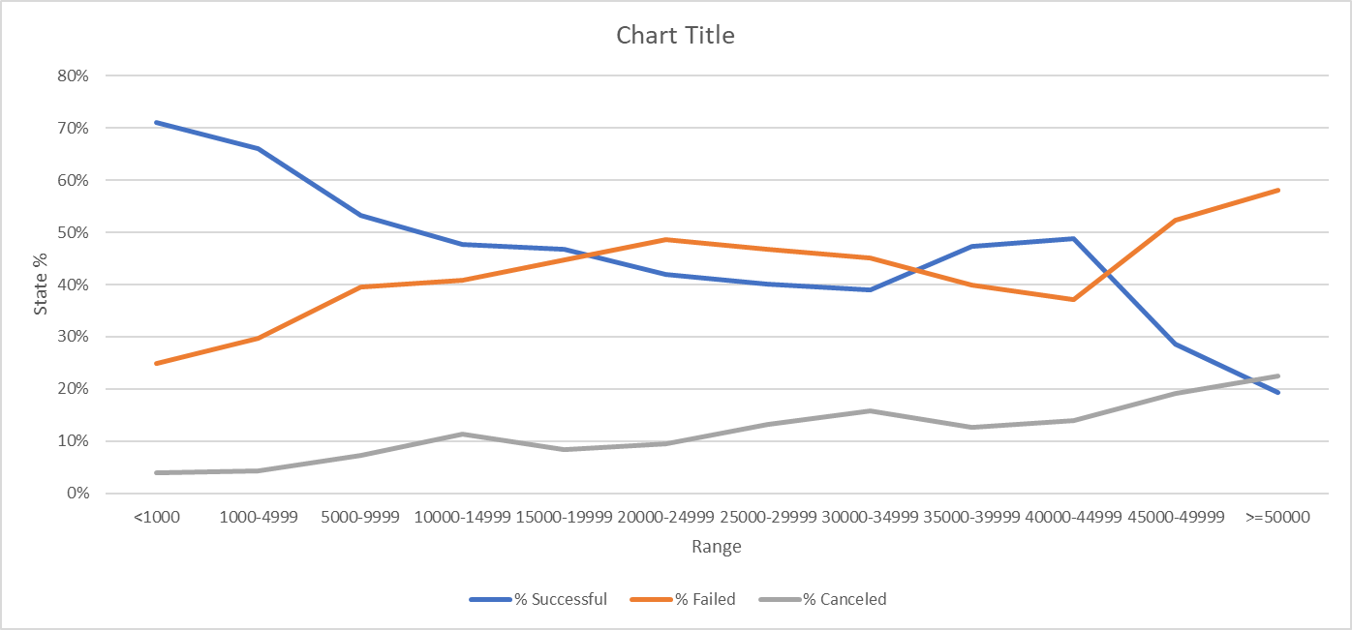
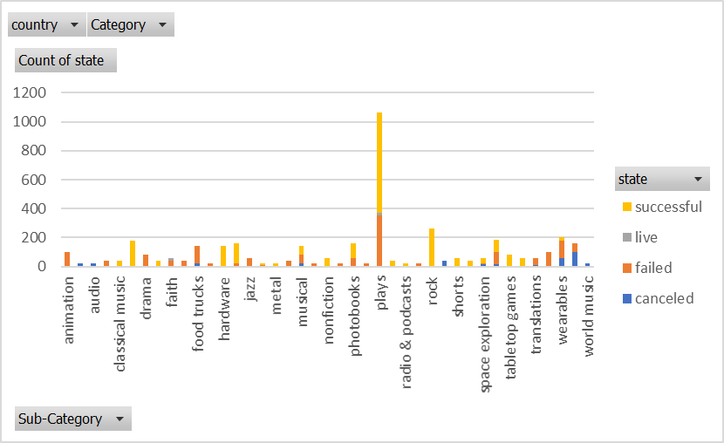
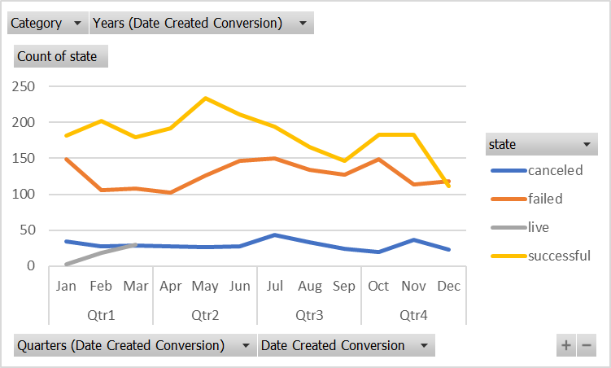

Goals\Range | No Successful per range\goals | No Failed per range\goals | No Canceled per range\goals | Total Projects | % Successful | % Failed | % Canceled
<1000 | 322 | 113 | 18 | 453 | 0.71081677704 | 0.24944812362 | 0.039735099338
1000-4999 | 932 | 420 | 60 | 1412 | 0.66005665722 | 0.29745042493 | 0.042492917847
5000-9999 | 381 | 283 | 52 | 716 | 0.53212290503 | 0.39525139665 | 0.072625698324
10000-14999 | 168 | 144 | 40 | 352 | 0.47727272727 | 0.40909090909 | 0.11363636364
15000-19999 | 94 | 90 | 17 | 201 | 0.46766169154 | 0.44776119403 | 0.084577114428
20000-24999 | 62 | 72 | 14 | 148 | 0.41891891892 | 0.48648648649 | 0.094594594595
25000-29999 | 55 | 64 | 18 | 137 | 0.40145985401 | 0.46715328467 | 0.13138686131
30000-34999 | 32 | 37 | 13 | 82 | 0.39024390244 | 0.4512195122 | 0.15853658537
35000-39999 | 26 | 22 | 7 | 55 | 0.47272727273 | 0.4 | 0.12727272727
40000-44999 | 21 | 16 | 6 | 43 | 0.48837209302 | 0.37209302326 | 0.13953488372
45000-49999 | 6 | 11 | 4 | 21 | 0.28571428571 | 0.52380952381 | 0.19047619048
>=50000 | 86 | 258 | 100 | 444 | 0.19369369369 | 0.58108108108 | 0.22522522523

